Sheet1


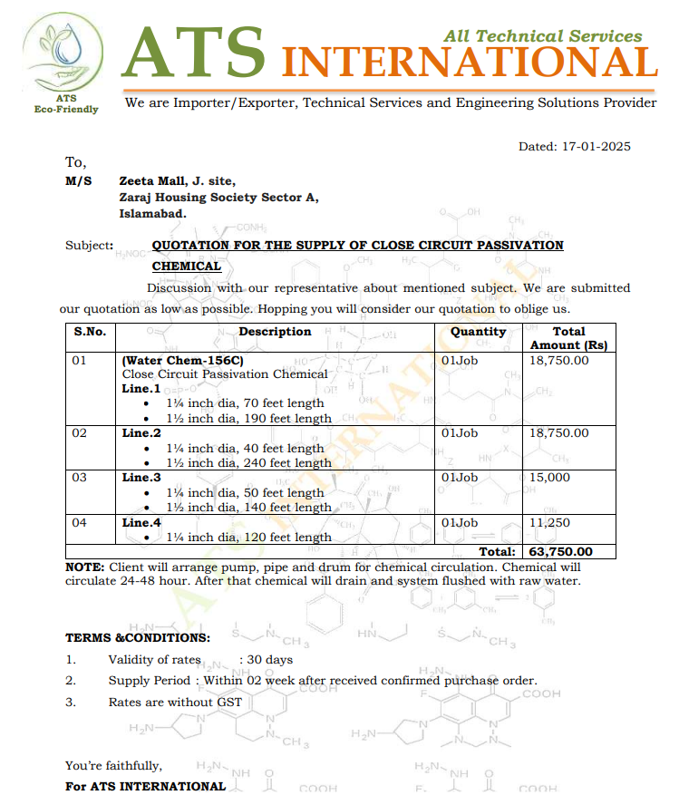
M/S IK Associates |  |  |  |  |  |  |  | 2025-01-21

Project: J Outlet Zeta Mall Islamabad

Attn: Syed Talal Tariq

Variation # 3
Flushing of Close Circuit Passivation chemical for chilled water pipe network - J Outlet Zeta Mall Islamabad.

S. # | Description | Material Rate | Labour Rate | Over Head profit 28% | Total Rate | Unit | Qty | Amount
1 | Flushing of close Circuit chemical for chilled water pipe network 24 to 48 Hours. Line.1 * 1¼ inch dia, 70 feet length * 1½ inch dia, 190 feet length Line.2 * 1¼ inch dia, 40 feet length * 1½ inch dia, 240 feet length Line.3 * 1¼ inch dia, 50 feet length * 1½ inch dia, 140 feet length Line.4 * 1¼ inch dia, 120 feet length | 75,225 | 7,500 | 23,163 | 105,888 | Job | 1 | 105,888
Total Amount Rs. |  |  |  |  |  |  |  | 105,888

Note: Supplier's quotation attached |  |  |  |  |  |  |  |  | 63750 | 75225

For PIONEER ENGINEERING SERVICES.

Bilal Habib

